Bug Tracking
 | InduBindu Boutique.com
 | OS : WINDOWS,BROWSER |  |  |  | DATE :
 | VERIFIED BY : |  |  |  | TESTED BY: RESHMA ROY
Bug ID | TestCase ID | Expected Result | Bug Description | Step to reproduce | Screenshot | Severity | Priority | Status
IBB_01 | IB_RP_05 | In registration page, First name field by applying invalid values. Should show error validation message. | The "First Name" field on the registration page accepts invalid input (numbers and special characters) without displaying any validation error message. | 1. Navigate to the registration page. 2. Enter invalid input on first name field(numbers and special characters) 3. Clicking the "Create an Account" button. |  | Major | High | New
IBB_02 | IB_RP_07 | In registration page, Last name field by applying invalid values. Should show error validation message. | The "Last Name" field on the registration page accepts invalid input (numbers and special characters) without displaying any validation error message. | 1. Navigate to the registration page. 2. Enter invalid input on last name field(numbers and special characters) 3. Clicking the "Create an Account" button. |  | Major | High | New
IBB_03 | IB_RP_11 | An error validation message should appear, indicating "Password is too weak." | The "Your Password" field on the registration page accepts a weak password (common numeric sequence) without displaying any validation message. | 1. Navigate to the registration page. 2. Enter "12345" in the "Your Password" field. 3. Clicking the "Create an Account" button. |  | Major | High | New
IBB_04 | IB_PP_167 | The "Recently Viewed Products" section should display the products the user has recently viewed. | The "Recently Viewed Products" section on the website does not display any products, even after the user has viewed multiple product pages. | 1. View multiple products on the website. 2. Scroll to the footer to locate "Recently Viewed Products" section. |  | Minor | Medium | New
IBB_05 | IB_AP_225 | Validation messages (e.g., "Please enter a valid postal/ZIP code") should appear, and the user should not be able to proceed. | Validation error not displayed for invalid postal/ZIP codes in the "Update Address" form. | 1. Open the "Edit Address" form. 2. Enter invalid postal codes such as: - "23456" - "advbhus" - "asdcu". 3. Click "Update Address." | 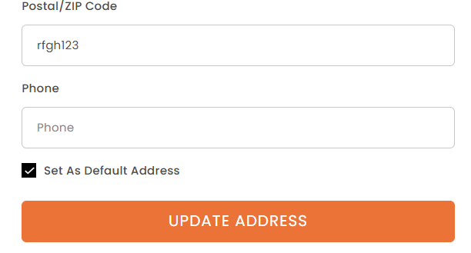 | Minor | Medium | New
IBB_06 | IB_AP_227 | Validation messages (e.g., "Please enter a valid phone number") should appear, and the user should not be able to proceed. | Validation error not displayed for invalid phone numbers in the "Update Address" form | 1. Open the "Edit Address" form. 2. Enter invalid phone numbers: - "wertui123455rf@" - "234567888888888890". 3. Click "Update Address." |  | Minor | Medium | New
IBB_07 | IB_CP_186 | The system should display a validation message when attempting to save without entering a note. | The system does not display a validation message when attempting to save an empty note in the "Add Notes" section. | 1. Navigate to the cart side-tab. 2. Click "Add Notes." 3. Leave the text field empty. 4. Click "Save." |  | Minor | Medium | New
IBB_08 | IB_RP_24 | The system should show a validation message stating that "First Name is required." | "First Name" field does not show validation message when left empty | 1. Navigate to the registration page. 2. Leave the "First Name" field empty or enter an invalid value. 3. Try to submit the form. |  | Major | High | new
IBB_09 | IB_RP_25 | The system should show a validation message stating that "Last Name is required." | "Last Name" field does not show validation message when left empty | 1. Navigate to the registration page. 2. Leave the "Last Name" field empty or enter an invalid value. 3. Try to submit the form. |  | Major | High | new

Bug Report
S.No: | MODULE NAME | TEST CASES PASSED | TEST CASES FAILD | TOTAL TEST CASE
1 | Registration page(RP) | 25 | 5 | 30
2 | Login page(LP) | 20 | 0 | 20
3 | Home page(HP) | 100 | 0 | 100
4 | Product Page(PP) | 79 | 1 | 80
5 | Cart Page(CP) | 39 | 1 | 40
6 | Wishlist(WP) | 14 | 0 | 14
7 | My Account Page(AP) | 34 | 2 | 46
8 | Checkout Page(CP) | 70 | 0 | 70
 | TOTAL | 381 | 9 | 400

